LDBOND
LIC MF BOND FUND |  |  |  |  |  |  | Index

Monthly Portfolio Statement as on November 30,2021
Name of the Instrument | ISIN | Industry / Rating | Quantity | Market/Fair Value (Rounded, Rs. In Lacs) | Rounded, % to Net Assets | Yield

Debt Instruments
(a)Listed / Awaiting listing on stock Exchanges
5.63% Government of India | IN0020210012 | SOVEREIGN | 3,944,500.000 | 3,972.02 | 30.84% | 5.65%
6.1% Government of India | IN0020210095 | SOVEREIGN | 2,000,000.000 | 2,014.41 | 15.64% | 6.33%
5.22% Government of India | IN0020200112 | SOVEREIGN | 787,500.000 | 804.05 | 6.24% | 5.31%
5.14% National Bk for Agriculture & Rural Dev. ** | INE261F08CK9 | ICRA AAA | 50.000 | 521.06 | 4.05% | 5.17%
6.59% Indian Railway Finance Corporation Ltd. ** | INE053F07BZ2 | CRISIL AAA | 50.000 | 516.37 | 4.01% | 4.73%
7.32% Government of India | IN0020180488 | SOVEREIGN | 100,000.000 | 107.75 | 0.84% | 4.73%
7.98% State Government of Gujarat | IN1520160038 | SOVEREIGN | 53,800.000 | 58.03 | 0.45% | 6.05%
Sub Total |  |  |  | 7,993.69 | 62.07%

(b)Privately Placed/Unlisted
Sub Total |  |  |  | NIL | NIL

(c)Securitised Debt Instruments
Sub Total |  |  |  | NIL | NIL

TOTAL |  |  |  | 7,993.69 | 62.06%

Money Market Instruments

Treasury Bill
182 DAYS TBILL RED 30-12-2021 | IN002021Y130 | SOVEREIGN | 3,000,000.000 | 2,992.19 | 23.23% | 3.28%
182 DAYS TBILL RED 16-12-2021 | IN002021Y114 | SOVEREIGN | 1,500,000.000 | 1,497.98 | 11.63% | 3.28%
Sub Total |  |  |  | 4,490.17 | 34.86%

TOTAL |  |  |  | 4,490.17 | 34.86%

Treps / Reverse Repo
Treps |  |  |  | 404.51 | 3.14%
Sub Total |  |  |  | 404.51 | 3.14%

TOTAL |  |  |  | 404.51 | 3.14%
Net Receivables / (Payables) |  |  |  | (7.40) | (0.06%)
GRAND TOTAL |  |  |  | 12,880.97 | 100.00%

** Non Traded Security

The product is suitable for investors who are seeking* | Riskometer - Scheme | Primary Benchmark | Riskometer - Primary Benchmark
LIC MF Bond Fund | 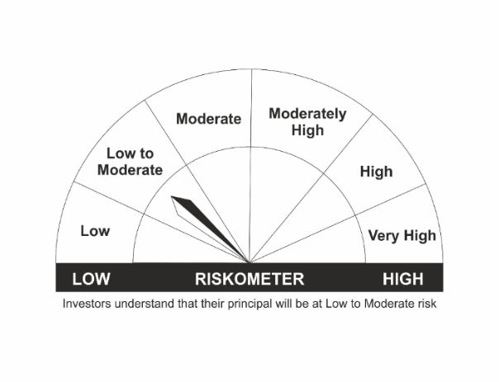 |  | 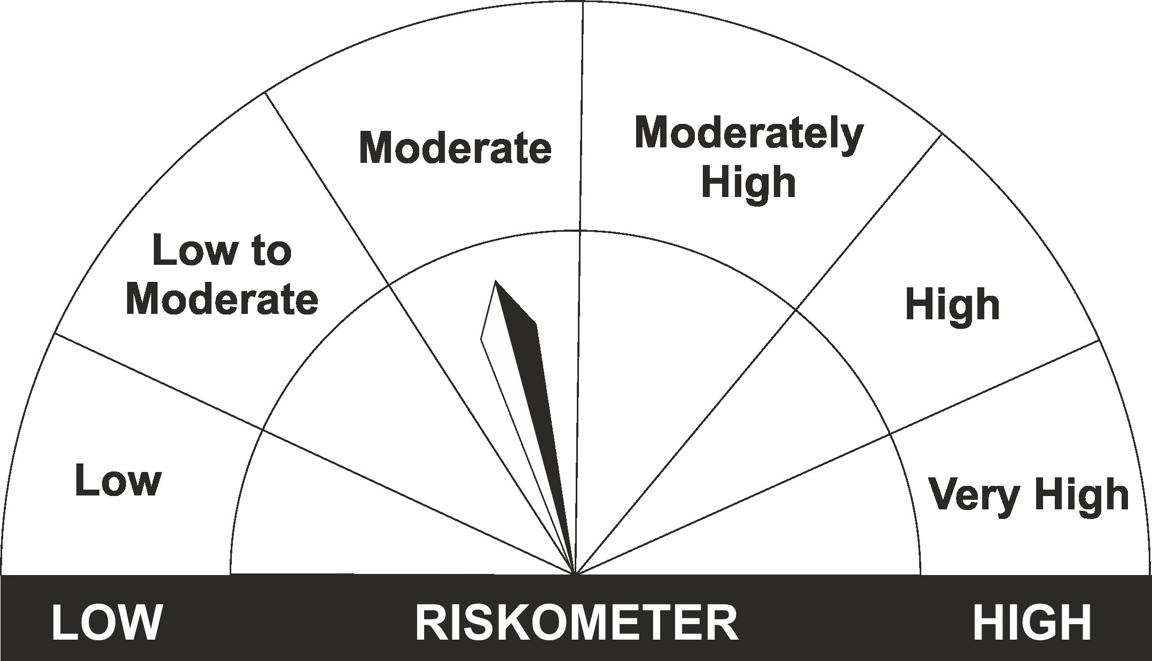
•Income Over Medium to long term |  | CRISIL Composite Bond Fund Index
•To generate income/capital appreciation through investments in Debt / Money Market Instruments
•Risk – Low to Moderate |  | •Risk - Moderate

*Investors should consult their financial advisers if in doubt about whether the product is suitable for them.
Mutual Fund investments are subject to market risks, read all scheme related documents carefully.

 | Potential Risk Class
LIC MF Bond Fund | Credit Risk | Relatively Low (Class A) | Moderate (Class B) | Relatively High (Class C)
 | Interest Rate Risk
 | Relatively Low (Class I)
 | Moderate (Class II)
 | Relatively High (Class III) |  | B-III

LDGETF
LIC MF G-SEC LONG TERM ETF |  |  |  |  |  |  | Index

Monthly Portfolio Statement as on November 30,2021
Name of the Instrument | ISIN | Industry / Rating | Quantity | Market/Fair Value (Rounded, Rs. In Lacs) | Rounded, % to Net Assets | Yield

Debt Instruments
(a)Listed / Awaiting listing on stock Exchanges
6.1% Government of India | IN0020210095 | SOVEREIGN | 45,894,100.000 | 46,224.76 | 49.66% | 6.33%
5.77% Government of India | IN0020200153 | SOVEREIGN | 12,690,000.000 | 12,495.40 | 13.43% | 6.29%
5.85% Government of India | IN0020200294 | SOVEREIGN | 12,173,100.000 | 12,188.30 | 13.10% | 6.26%
5.79% Government of India | IN0020200070 | SOVEREIGN | 11,569,000.000 | 11,233.16 | 12.07% | 6.29%
6.68% Government of India | IN0020170042 | SOVEREIGN | 10,500,000.000 | 10,868.86 | 11.67% | 6.38%
Sub Total |  |  |  | 93,010.48 | 99.93%

(b)Privately Placed/Unlisted
Sub Total |  |  |  | NIL | NIL

(c)Securitised Debt Instruments
Sub Total |  |  |  | NIL | NIL

TOTAL |  |  |  | 93,010.48 | 99.93%

Treps / Reverse Repo
Treps |  |  |  | 83.45 | 0.09%
Sub Total |  |  |  | 83.45 | 0.09%

TOTAL |  |  |  | 83.45 | 0.09%
Net Receivables / (Payables) |  |  |  | (22.18) | (0.02%)
GRAND TOTAL |  |  |  | 93,071.75 | 100.00%

The product is suitable for investors who are seeking* | Riskometer - Scheme | Primary Benchmark | Riskometer - Primary Benchmark
LIC MF G-Sec Long Term Exchange Traded Fund | 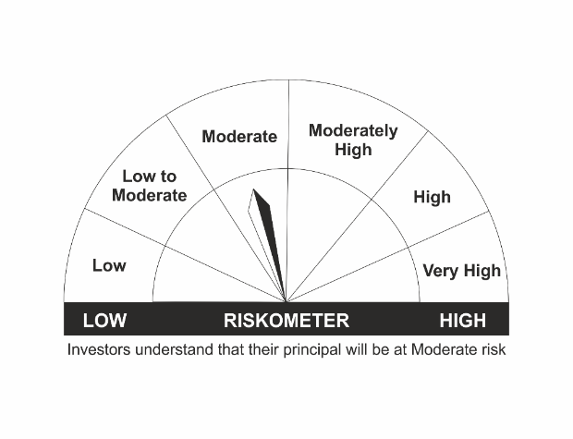
•Medium to long term regular Income. |  | Nifty 8-13 yr G-Sec
•Investment in securities in line with Nifty 8- 13 Yr G-Sec Index to generate comparable returns subject to tracking error.
•Risk - Moderate |  | •Risk - Moderate

*Investors should consult their financial advisers if in doubt about whether the product is suitable for them.
Mutual Fund investments are subject to market risks, read all scheme related documents carefully.

 | Potential Risk Class
LIC MF G-Sec Long Term ETF | Credit Risk | Relatively Low (Class A) | Moderate (Class B) | Relatively High (Class C)
 | Interest Rate Risk
 | Relatively Low (Class I)
 | Moderate (Class II)
 | Relatively High (Class III) | A-III

LDGSEC
LIC MF GOVT. SECURITIES FUND |  |  |  |  |  |  | Index

Monthly Portfolio Statement as on November 30,2021
Name of the Instrument | ISIN | Industry / Rating | Quantity | Market/Fair Value (Rounded, Rs. In Lacs) | Rounded, % to Net Assets | Yield

Debt Instruments
(a)Listed / Awaiting listing on stock Exchanges
5.63% Government of India | IN0020210012 | SOVEREIGN | 1,194,400.000 | 1,202.73 | 17.92% | 5.65%
6.1% Government of India | IN0020210095 | SOVEREIGN | 1,000,000.000 | 1,007.20 | 15.00% | 6.33%
5.22% Government of India | IN0020200112 | SOVEREIGN | 212,500.000 | 216.97 | 3.23% | 5.31%
Sub Total |  |  |  | 2,426.90 | 36.15%

(b)Privately Placed/Unlisted
Sub Total |  |  |  | NIL | NIL

(c)Securitised Debt Instruments
Sub Total |  |  |  | NIL | NIL

TOTAL |  |  |  | 2,426.90 | 36.15%

Money Market Instruments

Treasury Bill
182 DAYS TBILL RED 30-12-2021 | IN002021Y130 | SOVEREIGN | 2,000,000.000 | 1,994.79 | 29.72% | 3.28%
182 DAYS TBILL RED 16-12-2021 | IN002021Y114 | SOVEREIGN | 1,000,000.000 | 998.65 | 14.88% | 3.28%
Sub Total |  |  |  | 2,993.44 | 44.59%

TOTAL |  |  |  | 2,993.44 | 44.59%

Treps / Reverse Repo
Treps |  |  |  | 1,297.74 | 19.33%
Sub Total |  |  |  | 1,297.74 | 19.33%

TOTAL |  |  |  | 1,297.74 | 19.33%
Net Receivables / (Payables) |  |  |  | (5.05) | (0.07%)
GRAND TOTAL |  |  |  | 6,713.03 | 100.00%

The product is suitable for investors who are seeking* | Riskometer - Scheme | Primary Benchmark | Riskometer - Primary Benchmark
LIC MF Govt. Securities Fund | 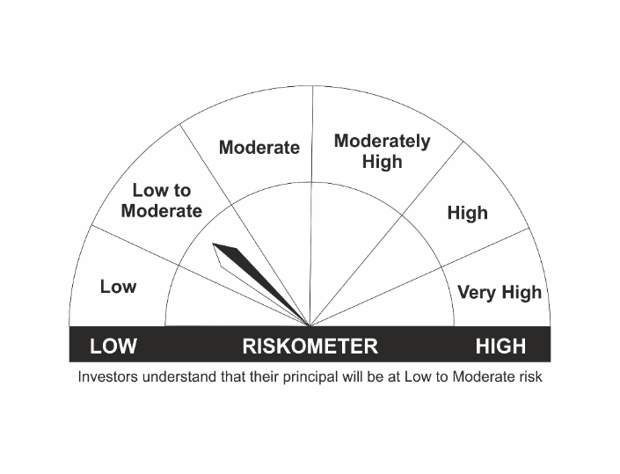
•Long term Capital Appreciation and current income |  | Nifty All Duration G-Sec Index
•Investment in sovereign securities issued by Central/ State Government
•Risk – Low to Moderate |  | •Risk - Moderate

*Investors should consult their financial advisers if in doubt about whether the product is suitable for them.
Mutual Fund investments are subject to market risks, read all scheme related documents carefully.

 | Potential Risk Class
LIC MF Govt. Securities Fund | Credit Risk | Relatively Low (Class A) | Moderate (Class B) | Relatively High (Class C)
 | Interest Rate Risk
 | Relatively Low (Class I)
 | Moderate (Class II)
 | Relatively High (Class III) | A-III

LDMIPF
LIC MF DEBT HYBRID FUND |  |  |  |  |  |  | Index

Monthly Portfolio Statement as on November 30,2021
Name of the Instrument | ISIN | Industry / Rating | Quantity | Market/Fair Value (Rounded, Rs. In Lacs) | Rounded, % to Net Assets | Yield
Equity & Equity related
(a)Listed / Awaiting listing on Stock Exchanges
Infosys Ltd. | INE009A01021 | SOFTWARE | 19,352.000 | 331.43 | 4.97%
ICICI Bank Ltd. | INE090A01021 | BANKS | 39,694.000 | 283.55 | 4.25%
HDFC Bank Ltd. | INE040A01034 | BANKS | 8,307.000 | 124.07 | 1.86%
Hindustan Unilever Ltd. | INE030A01027 | CONSUMER NON DURABLES | 4,733.000 | 109.69 | 1.65%
Nestle India Ltd. | INE239A01016 | CONSUMER NON DURABLES | 571.000 | 109.36 | 1.64%
Larsen & Toubro Infotech Ltd. | INE214T01019 | SOFTWARE | 1,595.000 | 108.61 | 1.63%
Reliance Industries Ltd. | INE002A01018 | PETROLEUM PRODUCTS | 4,460.000 | 107.28 | 1.61%
Tech Mahindra Ltd. | INE669C01036 | SOFTWARE | 4,830.000 | 74.45 | 1.12%
Mahindra & Mahindra Ltd. | INE101A01026 | AUTO | 8,441.000 | 70.52 | 1.06%
Bharti Airtel Ltd. | INE397D01024 | TELECOM - SERVICES | 7,246.000 | 52.77 | 0.79%
Sanofi India Ltd. | INE058A01010 | PHARMACEUTICALS | 595.000 | 47.25 | 0.71%
Abbott India Ltd. | INE358A01014 | PHARMACEUTICALS | 69.000 | 13.17 | 0.20%
Bharti Airtel Ltd. PARTLY PAID UP FV 1.25 | IN9397D01014 | TELECOM - SERVICES | 642.000 | 2.51 | 0.04%
Sub Total |  |  |  | 1,434.66 | 21.52%
(b) Unlisted
Sub Total |  |  |  | NIL | NIL

TOTAL |  |  |  | 1,434.66 | 21.52%

Debt Instruments
(a)Listed / Awaiting listing on stock Exchanges
7.32% Government of India | IN0020180488 | SOVEREIGN | 2,500,000.000 | 2,693.77 | 40.40% | 4.73%
5.63% Government of India | IN0020210012 | SOVEREIGN | 250,000.000 | 251.74 | 3.78% | 5.65%
8.3% Government of India | IN0020100031 | SOVEREIGN | 60,000.000 | 71.25 | 1.07% | 6.83%
8.49% NTPC Ltd. ** | INE733E07JP6 | CRISIL AAA | 47,900.000 | 6.75 | 0.10% | 5.45%
Sub Total |  |  |  | 3,023.51 | 45.35%

(b)Privately Placed/Unlisted
Sub Total |  |  |  | NIL | NIL

(c)Securitised Debt Instruments
Sub Total |  |  |  | NIL | NIL

TOTAL |  |  |  | 3,023.51 | 45.35%

Money Market Instruments

Treasury Bill
182 DAYS TBILL RED 09-12-2021 | IN002021Y106 | SOVEREIGN | 1,200,000.000 | 1,199.13 | 17.98% | 3.30%
182 DAYS TBILL RED 16-12-2021 | IN002021Y114 | SOVEREIGN | 750,000.000 | 748.99 | 11.23% | 3.28%
91 DAYS TBILL RED 09-12-2021 | IN002021X264 | SOVEREIGN | 150,000.000 | 149.89 | 2.25% | 3.30%
364 DAYS TBILL RED 02-12-2021 | IN002020Z345 | SOVEREIGN | 50,000.000 | 50.00 | 0.75% | 3.29%
Sub Total |  |  |  | 2,148.01 | 32.22%

TOTAL |  |  |  | 2,148.01 | 32.22%

Treps / Reverse Repo
Treps |  |  |  | 86.79 | 1.30%
Sub Total |  |  |  | 86.79 | 1.30%

TOTAL |  |  |  | 86.79 | 1.30%
Net Receivables / (Payables) |  |  |  | (25.49) | (0.39%)
GRAND TOTAL |  |  |  | 6,667.48 | 100.00%

** Non Traded Security

The product is suitable for investors who are seeking* | Riskometer - Scheme | Primary Benchmark | Riskometer - Primary Benchmark
LIC MF Debt Hybrid Fund |  |  | 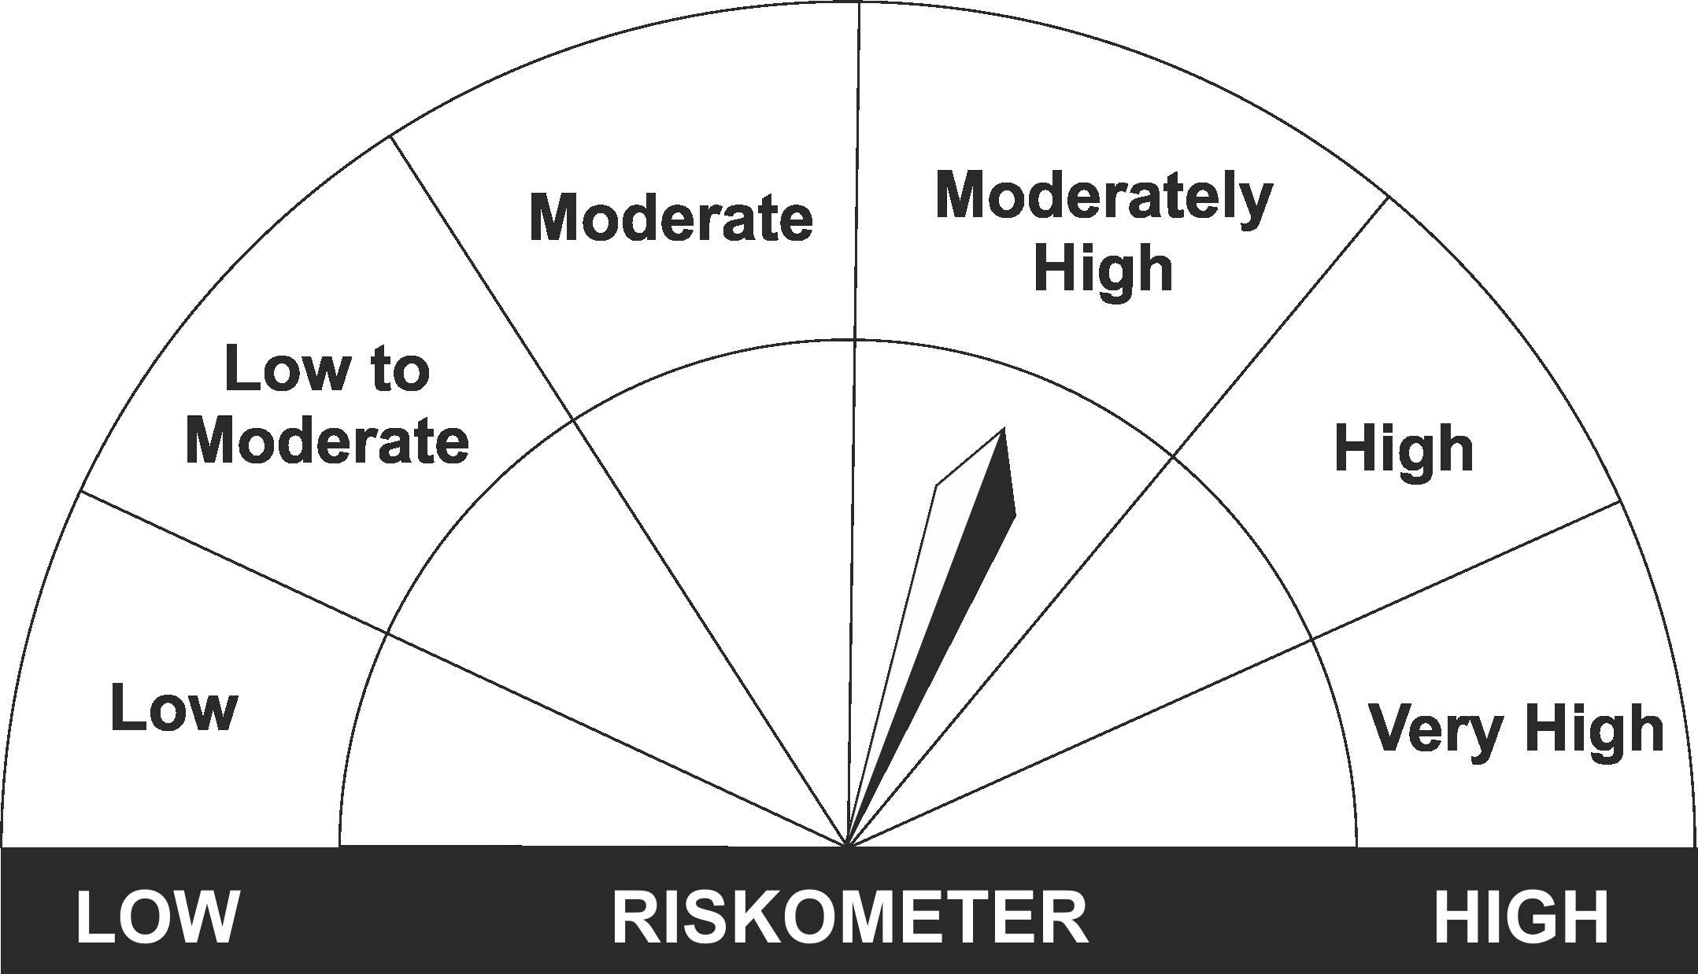
•Medium term capital appreciation with current income |  | CRISIL Hybrid 85+15 - Conservative Index
•A fund that invests predominantly in debt instruments with marginal equity exposure.
•Risk - Moderate |  | •Risk - Moderately High

*Investors should consult their financial advisers if in doubt about whether the product is suitable for them.
Mutual Fund investments are subject to market risks, read all scheme related documents carefully.

LDONTF
LIC MF OVERNIGHT FUND |  |  |  |  |  |  | Index

Monthly Portfolio Statement as on November 30,2021
Name of the Instrument | ISIN | Industry / Rating | Quantity | Market/Fair Value (Rounded, Rs. In Lacs) | Rounded, % to Net Assets | Yield

Treps / Reverse Repo
Treps |  |  |  | 29,783.17 | 99.25%
Sub Total |  |  |  | 29,783.17 | 99.25%

TOTAL |  |  |  | 29,783.17 | 99.25%
Net Receivables / (Payables) |  |  |  | 225.96 | 0.75%
GRAND TOTAL |  |  |  | 30,009.13 | 100.00%

$ Less Than 0.01% of Net Asset Value

The product is suitable for investors who are seeking* | Riskometer - Scheme | Primary Benchmark | Riskometer - Primary Benchmark
LIC MF Overnight Fund | 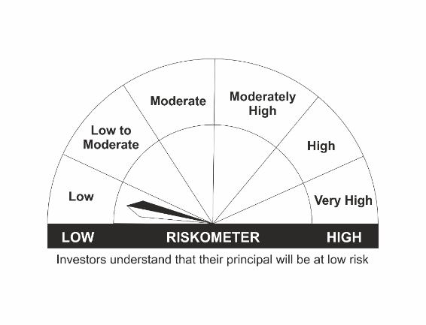 |  | 
•Regular income with high levels of safety and liquidity over short term. |  | NIFTY 1D Rate Index
•Investment in debt and money market instruments with overnight maturity.
•Risk – Low |  | •Risk – Low

*Investors should consult their financial advisers if in doubt about whether the product is suitable for them.
Mutual Fund investments are subject to market risks, read all scheme related documents carefully.

 | Potential Risk Class
LIC MF Overnight Fund | Credit Risk | Relatively Low (Class A) | Moderate (Class B) | Relatively High (Class C)
 | Interest Rate Risk
 | Relatively Low (Class I) | A-I
 | Moderate (Class II)
 | Relatively High (Class III)

LDSTDF
LIC MF SHORT TERM DEBT FUND |  |  |  |  |  |  | Index

Monthly Portfolio Statement as on November 30,2021
Name of the Instrument | ISIN | Industry / Rating | Quantity | Market/Fair Value (Rounded, Rs. In Lacs) | Rounded, % to Net Assets | Yield

Debt Instruments
(a)Listed / Awaiting listing on stock Exchanges
7.35% Government of India | IN0020090034 | SOVEREIGN | 5,000,000.000 | 5,442.69 | 17.63% | 4.99%
7.14% State Government of Gujarat | IN1520160178 | SOVEREIGN | 2,500,000.000 | 2,671.90 | 8.65% | 6.19%
6.75% Sikka Ports and Terminals Ltd. ** | INE941D07208 | CRISIL AAA | 250.000 | 2,630.68 | 8.52% | 6.44%
7.28% Housing Development Finance Corp Ltd. ** | INE001A07RZ8 | CRISIL AAA | 210.000 | 2,169.53 | 7.03% | 4.69%
7.05% Reliance Industries Ltd. ** | INE002A08625 | CRISIL AAA | 150.000 | 1,576.16 | 5.10% | 4.91%
6.4% National Bk for Agriculture & Rural Dev. | INE261F08CA0 | ICRA AAA | 150.000 | 1,568.87 | 5.08% | 4.82%
8.94% Export Import Bank of India ** | INE514E08CB3 | CRISIL AAA | 100.000 | 1,127.91 | 3.65% | 4.49%
8.8% Power Grid Corporation of India Ltd. ** | INE752E07KN9 | CRISIL AAA | 100.000 | 1,115.41 | 3.61% | 4.50%
6.44% Indian Oil Corporation Ltd. ** | INE242A08445 | CRISIL AAA | 100.000 | 1,079.53 | 3.50% | 4.68%
6.55% NTPC Ltd. ** | INE733E08148 | CRISIL AAA | 100.000 | 1,065.23 | 3.45% | 4.67%
6.19% Indian Railway Finance Corporation Ltd. ** | INE053F07CC9 | CRISIL AAA | 100.000 | 1,058.13 | 3.43% | 4.73%
7.16% State Government of Maharashtra | IN2220160070 | SOVEREIGN | 1,000,000.000 | 1,055.73 | 3.42% | 6.11%
5.32% National Housing Bank ** | INE557F08FK3 | CRISIL AAA | 50.000 | 517.31 | 1.68% | 4.83%
5.47% Power Finance Corporation Ltd. ** | INE134E08LB1 | CRISIL AAA | 50.000 | 511.93 | 1.66% | 4.93%
7.32% Government of India | IN0020180488 | SOVEREIGN | 200,000.000 | 215.50 | 0.70% | 4.73%
Sub Total |  |  |  | 23,806.51 | 77.11%

(b)Privately Placed/Unlisted
Sub Total |  |  |  | NIL | NIL

(c)Securitised Debt Instruments
Sub Total |  |  |  | NIL | NIL

TOTAL |  |  |  | 23,806.51 | 77.11%

Money Market Instruments

Certificate of Deposit
Axis Bank Ltd. ** # | INE238A163W6 | CRISIL A1+ | 3,000.000 | 2,983.17 | 9.66% | 3.55%
Sub Total |  |  |  | 2,983.17 | 9.66%

Commercial Paper
Indian Oil Corporation Ltd. ** | INE242A14VG6 | CRISIL A1+ | 200.000 | 997.85 | 3.23% | 3.42%
Sub Total |  |  |  | 997.85 | 3.23%

Treasury Bill
364 DAYS TBILL RED 02-12-2021 | IN002020Z345 | SOVEREIGN | 1,500,000.000 | 1,499.87 | 4.86% | 3.29%
Sub Total |  |  |  | 1,499.87 | 4.86%

TOTAL |  |  |  | 5,480.89 | 17.75%

Treps / Reverse Repo
Treps |  |  |  | 2,712.12 | 8.78%
Sub Total |  |  |  | 2,712.12 | 8.78%

TOTAL |  |  |  | 2,712.12 | 8.78%
Net Receivables / (Payables) |  |  |  | (1,124.56) | (3.64%)
GRAND TOTAL |  |  |  | 30,874.96 | 100.00%

# Unlisted Security
** Non Traded Security

The product is suitable for investors who are seeking* | Riskometer - Scheme | Primary Benchmark | Riskometer - Primary Benchmark
LIC MF Short Term Debt Fund | 
•Generation of reasonable returns over short to medium term. |  | CRISIL Short Term Bond Fund Index
•Investment in Debt securities and money market instruments.
•Risk – Low to Moderate |  | •Risk - Moderate

*Investors should consult their financial advisers if in doubt about whether the product is suitable for them.
Mutual Fund investments are subject to market risks, read all scheme related documents carefully.

 | Potential Risk Class
LIC MF Short Term Debt Fund | Credit Risk | Relatively Low (Class A) | Moderate (Class B) | Relatively High (Class C)
 | Interest Rate Risk
 | Relatively Low (Class I)
 | Moderate (Class II) |  | B-II
 | Relatively High (Class III)

LLIQDF
LIC MF LIQUID FUND |  |  |  |  |  |  | Index

Monthly Portfolio Statement as on November 30,2021
Name of the Instrument | ISIN | Industry / Rating | Quantity | Market/Fair Value (Rounded, Rs. In Lacs) | Rounded, % to Net Assets | Yield

Debt Instruments
(a)Listed / Awaiting listing on stock Exchanges
6.99% REC Ltd. ** | INE020B08CQ5 | CRISIL AAA | 1,750.000 | 18,472.00 | 2.76% | 3.53%
Sub Total |  |  |  | 18,472.00 | 2.76%

(b)Privately Placed/Unlisted
Sub Total |  |  |  | NIL | NIL

(c)Securitised Debt Instruments
Sub Total |  |  |  | NIL | NIL

TOTAL |  |  |  | 18,472.00 | 2.76%

Money Market Instruments

Commercial Paper
National Bk for Agriculture & Rural Dev. ** | INE261F14IG2 | CRISIL A1+ | 10,000.000 | 49,796.60 | 7.43% | 3.55%
Reliance Jio Infocomm Ltd. ** | INE110L14PW1 | CRISIL A1+ | 10,000.000 | 49,766.10 | 7.43% | 3.65%
Small Industries Development Bk of India ** | INE556F14HY0 | CRISIL A1+ | 6,000.000 | 29,925.30 | 4.47% | 3.38%
Chennai Petroleum Corporation Ltd. ** | INE178A14HA4 | ICRA A1+ | 4,000.000 | 19,944.20 | 2.98% | 3.40%
Kotak Securities Ltd. ** | INE028E14IZ8 | ICRA A1+ | 4,000.000 | 19,905.96 | 2.97% | 4.01%
Aditya Birla Finance Ltd. | INE860H14V36 | ICRA A1+ | 4,000.000 | 19,818.16 | 2.96% | 3.94%
Bajaj Finance Ltd. | INE296A14SN4 | CRISIL A1+ | 4,000.000 | 19,812.56 | 2.96% | 3.88%
Birla Group Holdings Pvt Ltd. ** | INE09OL14938 | CRISIL A1+ | 3,900.000 | 19,298.14 | 2.88% | 4.29%
Reliance Industries Ltd. ** | INE002A14JG9 | CRISIL A1+ | 3,000.000 | 14,977.55 | 2.23% | 3.42%
Aditya Birla Housing Finance Ltd. ** | INE831R14BX7 | ICRA A1+ | 2,000.000 | 9,974.78 | 1.49% | 3.55%
TVS Credit Services Ltd. ** | INE729N14FW5 | CRISIL A1+ | 2,000.000 | 9,941.04 | 1.48% | 4.33%
Reliance Industries Ltd. ** | INE002A14JO3 | CRISIL A1+ | 2,000.000 | 9,915.49 | 1.48% | 3.66%
Bajaj Housing Finance Ltd. ** | INE377Y14884 | CRISIL A1+ | 1,500.000 | 7,456.16 | 1.11% | 3.70%
L & T Finance Ltd. ** | INE027E14KX1 | CRISIL A1+ | 500.000 | 2,498.42 | 0.37% | 3.85%
Sub Total |  |  |  | 283,030.46 | 42.23%

Treasury Bill
91 DAYS TBILL RED 02-12-2021 | IN002021X256 | SOVEREIGN | 78,890,000.000 | 78,882.90 | 11.77% | 3.29%
182 DAYS TBILL RED 30-12-2021 | IN002021Y130 | SOVEREIGN | 40,000,000.000 | 39,895.88 | 5.95% | 3.28%
182 DAYS TBILL RED 20-01-2022 | IN002021Y171 | SOVEREIGN | 30,000,000.000 | 29,860.41 | 4.46% | 3.41%
Sub Total |  |  |  | 148,639.19 | 22.18%

TOTAL |  |  |  | 431,669.65 | 64.41%

Treps / Reverse Repo
Treps |  |  |  | 219,648.65 | 32.78%
Sub Total |  |  |  | 219,648.65 | 32.78%

TOTAL |  |  |  | 219,648.65 | 32.78%
Net Receivables / (Payables) |  |  |  | 422.06 | 0.05%
GRAND TOTAL |  |  |  | 670,212.36 | 100.00%

** Non Traded Security

LIC MF Arbitrage Fund has invested (inter scheme investments) in LIC MF Liquid Fund. Market value of such investments as on 30th November 2021 is 661.12 lacs.

The product is suitable for investors who are seeking* | Riskometer - Scheme | Primary Benchmark | Riskometer - Primary Benchmark
LIC MF Liquid Fund |  |  | 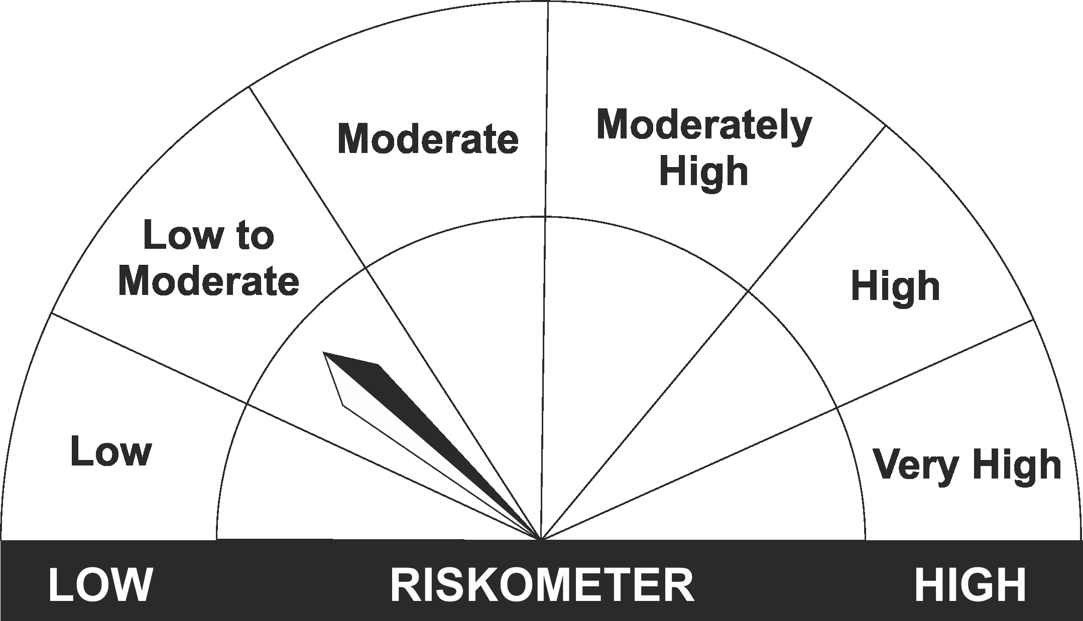
•Regular income for short term |  | CRISIL Liquid Fund Index
•Investment in Debt/Money Market Instruments with maturity of upto 91 days.
•Risk – Low to Moderate |  | •Risk – Low to Moderate

*Investors should consult their financial advisers if in doubt about whether the product is suitable for them.
Mutual Fund investments are subject to market risks, read all scheme related documents carefully.

 | Potential Risk Class
LIC MF Liquid Fund | Credit Risk | Relatively Low (Class A) | Moderate (Class B) | Relatively High (Class C)
 | Interest Rate Risk
 | Relatively Low (Class I) |  | B-I
 | Moderate (Class II)
 | Relatively High (Class III)

